Лист1
№ | Video novērošana | UNV Bullet | Cameras
1 | https://www.loks.lv/lv/product/9800
2 | https://www.loks.lv/lv/product/10580
3 | https://www.loks.lv/lv/product/11065
4 | https://www.loks.lv/lv/product/10712
 |  | UNV Kupola
5 | https://www.loks.lv/lv/product/9801
6 | https://www.loks.lv/lv/product/10587
7 | https://www.loks.lv/lv/product/11066
8 | https://www.loks.lv/lv/product/10568
 |  | UNV NVR
9 | https://www.loks.lv/lv/product/5891
10 | https://www.loks.lv/lv/product/9480
11 | https://www.loks.lv/lv/product/9900
12 | https://www.loks.lv/lv/product/10617
 |  | EZVIZ
 | https://www.ezviz.com/product/h9c+dual+3k/56091
 | https://www.ezviz.com/product/h8+pro+3k/43242
 | https://www.ezviz.com/product/el3/47930

 | Slēdzeņu uzstādīšana, smart locks
13 | Tedee PRO Door Sensor Cylinder Bridge Bundle | Tedee Pro set
14 ; Uncategorized | https://tedee.com/product/tedee-keypad-pro-black/ | Keypad
15 | https://tedee.com/product/tedee-go2-cylinder-full-bundle/ | Tedee GO2
16 | https://tedee.com/product/tedee-go2-cylinder-bridge-bundle/ | Tedee GO2

 | Slēdzeņu uzstādīšana, To improve your door safety
 | https://sledzenes.lv/rokturis-uz-plaksnes-cilindram-brunots-72mm-bronza | Pastiprināta furfnitūra |  | Sidemenu (3 colours, 2 sizes)
 | https://sledzenes.lv/rokturis-uz-plaksnes-cilindram-85mm-sudrabs | Pastiprināta furfnitūra |  | Sidemenu (3 colours, 2 sizes)
 | https://sledzenes.lv/sledzene-mottura-89-723-ar-5-atslegam
 | https://sledzenes.lv/sledzene-ar-uzliku-pol-hroms-ar-5-atslegam-1
 | https://sledzenes.lv/sledzene-ar-5-atslegam-hroms-1
 | https://sledzenes.lv/sledzene-ar-5-atslegam-hroms-3
 | https://sledzenes.lv/mottura-dp2517
 | https://sledzenes.lv/sledzene-ar-5-atslegam-hroms-4
 | https://sledzenes.lv/sledzene-ar-uzliku-pol-hroms-ar-5-atslegam
 | https://sledzenes.lv/sledzene-ar-uzliku-satin-hroms-ar-5-atslegam

 | Seifi
 | https://yalehome.co.uk/safes/?cat=246 |  | almost same choices in sidemenu |  | https://yalehome.co.uk/smart-safe-medium/
 | All Safes from : Maximum Security
 | https://yalehome.co.uk/smart-safe-medium/
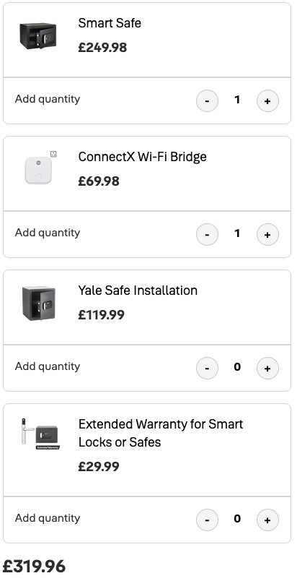

 | AJAX

 | All Ajax PRODUCTS (Baseline)
 | https://ajax.systems/catalogue/baseline-intrusion-protection/
 | All Products
 | https://ajax.systems/catalogue/video-surveillance/

 | Access Control
 | Wired | WiFi | Domofons
Reader | https://bklatvia.lv/karsu-lasitajs-ds-k1107am-mifare-kartes-302918662.html |  | https://www.ezviz.com/product/dp2+2k/47961
Reader | https://bklatvia.lv/karsu-lasitajs-ds-k1107amk-ar-tastaturu-mifare-kartes-302918666.html |  | https://www.ezviz.com/product/hp7/46757

Piekļuves kontrolieris | https://bklatvia.lv/piekluves-kontrolieris-ds-k2604t-4-durvju-ar-kasti-302913800.html
 | http://bklatvia.lv/piekluves-kontrolieris-ds-k2804-4-durvju-302901273.html

